Advice
People matter survey 2023
How to prepare organisation composition questions

There are 2 types of composition questions: Type 1 'organisation structure' and Type 2 'other composition' questions.
We use these questions to make your employee group level reports.
Question Type 1: Organisation structure
Enter the levels of your organisation hierarchy in the 'Your organisation structure' tab. Make sure your organisation approves this spreadsheet before you send it to people.matter@vpsc.vic.gov.au. This form is due on 31 March 2023. You need to fill out this template as a table, as shown in this example:

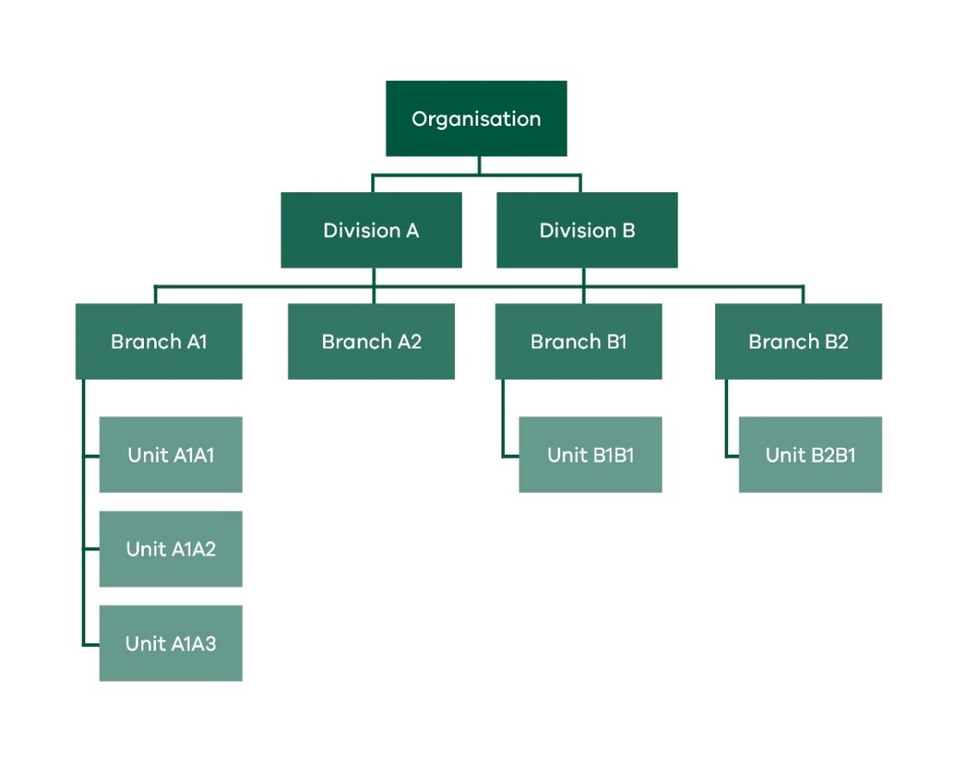

 |  |  |  |  | Division | Division Headcount | Branch | Branch Headcount | Unit | Unit Headcount
 |  |  |  |  | Division A | X | Branch A1 | X | Unit A1A1 | X
 |  |  |  |  |  |  |  |  | Unit A1A2 | X
 |  |  |  |  |  |  |  |  | Unit A1A3 | X
 |  |  |  |  |  |  | Branch A2 | X | Not Applicable
 |  |  |  |  | Division B | X | Branch B1 | X | Unit B1B1 | X
 |  |  |  |  |  |  | Branch B2 | X | Unit B2B1 | X

What you need to do when you fill out this template
1. Use ‘Not applicable’ when a further breakdown of hierarchy does not exist. For example, Branch A2 in the table above does not have further breakdown, so we have entered ‘Not applicable’.

2. Add Headcounts if you wish to monitor response rate for levels within your hierarchy. You can choose the level/s of hierarchy you wish to provide headcounts for. If you provide the headcount for more than one level, the headcounts for the lower level must add up to the headcount for the higher level. In the example below, the headcounts for Branch A1 and Branch A2 must add up to the headcount for Division A. Including headcounts is optional.
3. To make a report, you need a minimum of 10 responses per employee group. If multiple headcounts in a branch or unit are less than 20, we recommend you do not break down to this level for those areas. For example, if Branch A1 in the table below had less than 20 employees, you would not specify unit level information.
 | Division | Division Headcount | Branch | Branch Headcount | Unit | Unit Headcount
 | Division A | 31 | Branch A1 | 15 | Not Applicable
 |  |  | Branch A2 | 16 | Not Applicable
 | Division B | 100 | Branch B1 | 70 | Unit B1B1 | 50
 |  |  |  |  | Unit B1B2 | 20
 |  |  | Branch B2 | 30 | Not Applicable
4. If you have branch or unit names that will repeat in your organisation's structure, use a prefix to identify the division or branch for when you track the response rates or when you receive your employee group reports. For example:
 | Division | Branch | Unit |  | Division | Branch | Unit
 | Corporate | HR | Reporting |  | Corporate | HR | HR_Reporting
 |  |  | Administration |  |  |  | HR_Administration
 |  | Finance | Reporting |  |  | Finance | Finance_Reporting
 |  |  | Administration |  |  |  | Finance_Administration
 |  |  | Audit |  |  |  | Audit

5. The survey requires you to select the bottom-most level of the hierarchy where applicable. In the example below, The HR team is made up of 15 staff members, with 9 working in Reporting and 4 in Administration. The remaining 2 employees are the HR Director and their executive assistant. Though, they are sitting at a branch level, they must select either Reporting or Administration when completing the survey.
 | Division | Division Headcount | Branch | Branch Headcount | Unit | Unit Headcount
 | Corporate | 31 | HR | 15 | Reporting | 9
 |  |  |  |  | Administration | 4
 |  |  | Finance | 16 | Not applicable

We recommend that you create a separate category for senior staff in such scenarios.

 | Division | Division Headcount | Branch | Branch Headcount | Unit | Unit Headcount
 | Corporate | 31 | HRD and EAs | 2 | Not applicable
 |  |  | HR | 13 | Reporting | 9
 |  |  |  |  | Administration | 4
 |  |  | Finance | 16 | Not applicable

6. If a division or branch has some staff that don't fall under any specific branch or unit, we recommend that you create an "Other" category for them. In the below example, Branch B1 has 2 managers who look after the projects and training of both the units under the branch B1. As these managers do not belong to any specific unit but are just part of the branch only, you can add them in a separate "Other" unit.
 | Division | Division Headcount | Branch | Branch Headcount | Unit | Unit Headcount
 | Division A | 31 | Branch A1 | 15 | Not Applicable
 |  |  | Branch A2 | 16 | Not Applicable
 | Division B | 100 | Branch B1 | 70 | Unit B1B1 | 49
 |  |  |  |  | Unit B1B2 | 19
 |  |  |  |  | Unit B1_other | 2
 |  |  | Branch B2 | 30 | Not Applicable

Go to the 'Your organisation structure' tab
Email us on people.matter@vpsc.vic.gov.au, if you would like your previous year's organisation composition.

Question type 2: other composition
Other composition questions let you add more detail to your organisation structure, such as 'Which site do you work at?' If you would like to add questions of this nature, please fill in the 'Other composition question' tab.

Go to the 'Other composition questions' tab.
Custom questions
If required, your organisation can add custom questions by filling the 'Custom question tab'. Please note that, no more than five custom questions can be added. Once submitted, these will be reviewed and feedback will be provided if amendments are necessary.

Go to the 'Custom question' tab.

